TAM
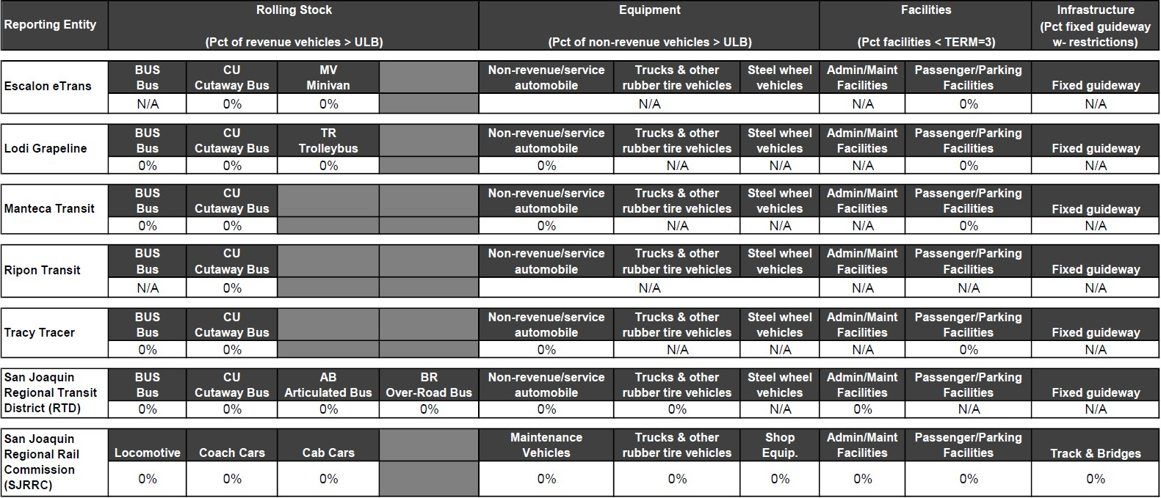
Transit Asset Management (TAM) Targets
Reporting Entity | Rolling Stock | Equipment | Facilities | Infrastructure
 | (Pct of revenue vehicles > ULB) | (Pct of non-revenue vehicles > ULB) | (Pct of facilities < TERM scale 3) | (Pct of track segments with restrictions)
Ea. Transit Agency/County Weighted Avg. (Bus) | See Each Agency's Targets
Ea. Transit Agency/County Weighted Avg. (Rail)
Ea. Transit Agency/County Weighted Avg. (Combined Bus and Rail)
Regional Target based on Weighted Avgs. (If applicable)

Pick one of the five options for reporting data:
1. List each transit agency’s targets. This applies to MPOs that set TAM targets for each transit agency.
2. Weight the average of the transit agencies by county for bus.
3. Weight the average of the transit agencies by county for rail.
4. Weight the average of the transit agencies by county for combined bus and rail.
5. Weight the whole region for combined bus and rail. This applies to MPOs that set one set of regional targets for all modes and transit agencies.
*Please note that rows may need to be added depending upon the bus and rail vehicle types in service as they may have different SGR targets (40 ft buses, commuter buses, 15 ft cutaways, demand response vans, and so on). Each asset class would have different useful life benchmarks. As necessary in the template, please add additional rows to accommodate targets by vehicle fleet asset class. FTA's Useful Life Benchmark Cheat Sheet is linked here: https://www.transit.dot.gov/sites/fta.dot.gov/files/2021-11/TAM-ULB-CheatSheet.pdf

Summary of Transit Asset Management Projects
Category | Number of Projects | % of Projects | Total Project Cost | % of Total Project Cost | Funding in the 4-Year Element | % of Funding in the 4-Year Element
Transit Asset Projects | 21 | 17% | $89,912,930 | 5% | $87,976,525 | 8%
Non-Transit Asset Projects | 104 | 83% | $1,692,092,424 | 95% | $1,050,097,199 | 92%
Total FTIP Investments | 125 | 100% | $1,782,005,354 | 100% | $1,138,073,724 | 100%

*Please note that some projects identified for TAM may also benefit PTASP target. Footnote these as appropriate so that it is clear as totals may exceed.

Transit Safety
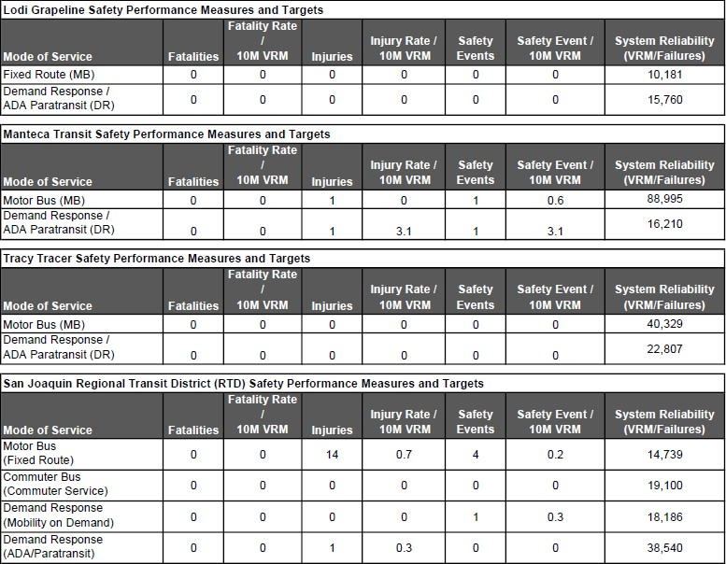
Public Transportation Agency Safety Plan (PTASP) Targets
Mode of Service | Fatalities | Fatalities (per 10 million VRM) | Injuries | Injuries (per 10 million VRM) | Safety Events | Safety Events (per 10 million VRM) | System Reliability
Rail Transit | See Each Agency's Targets
Bus Transit
ADA/Para transit
Vans/Autos (Other specify)

Note: Numbers Can include descriptions if needed

Summary of Transit Safety Projects
Category | Number of Projects | % of Projects | Total Project Cost | % of Total Project Cost | Funding in the 4-Year Element | % of Funding in the 4-Year Element
Transit Safety Projects | 3 | 2% | $2,082,047 | 0% | $2,082,047 | 0%
Non-Transit Safety Projects | 122 | 98% | $1,779,923,307 | 100% | $1,135,991,677 | 100%
Total FTIP Investments | 125 | 100% | $1,782,005,354 | 100% | $1,138,073,724 | 100%

*Please note that some projects identified for PTASP may also benefit TAM targets. Footnote these as appropriate so that it is clear as totals
may exceed.

